Location Plan & Summary
Intelligent Data Collection Limited

Client: | Bristol County Council |  | Date of Survey: |  | 09.07.2015
Project Number: | ID02343 |  | Site Name: |  | Clare Road
Site Number: | ANPR Site 16 |  | Survey Type: |  | Two-way Link Count

X Coordinate |  | Y Coordinate |  | Google Maps Link
51.468702 |  | -2.565664 |  | Click Here
AM Peak Conditions |  | Inter-Peak Conditions |  | PM Peak Conditions
Clear and Sunny |  | Clear and Sunny |  | Clear and Sunny
Junction Layout

N

 |  | Arm A - Clare Road (W)

 |  |  |  |  |  | Arm B - Clare Road (E)

Aerial Mapping and On-site Camera View
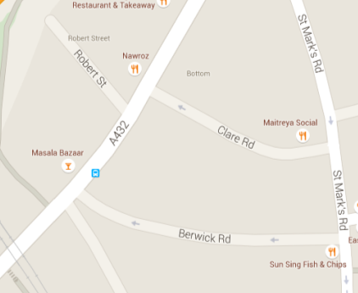
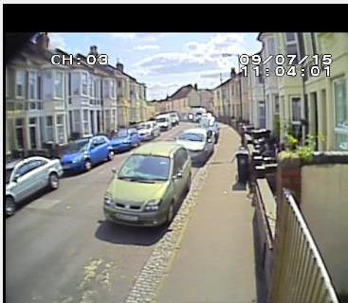

Arm B - Clare Road (E)

Arm A - Clare Road (W)

Junction Flow Profile
Arm Approach Flows (All Vehicles)
 | A to B (Eastbound) | B to A (Westbound) | Two-way Total
7:00:00 | 0 | 2 | 2
7:15:00 | 0 | 2 | 2
7:30:00 | 0 | 4 | 4
7:45:00 | 1 | 6 | 7
8:00:00 | 0 | 7 | 7
8:15:00 | 0 | 5 | 5
8:30:00 | 0 | 17 | 17
8:45:00 | 0 | 5 | 5
9:00:00 | 0 | 3 | 3
9:15:00 | 1 | 9 | 10
9:30:00 | 0 | 5 | 5
9:45:00 | 0 | 3 | 3
10:00:00 | 0 | 3 | 3
10:15:00 | 0 | 2 | 2
10:30:00 | 0 | 8 | 8
10:45:00 | 1 | 10 | 11
11:00:00 | 0 | 7 | 7
11:15:00 | 0 | 7 | 7
11:30:00 | 0 | 6 | 6
11:45:00 | 0 | 3 | 3
12:00:00 | 0 | 9 | 9
12:15:00 | 0 | 5 | 5
12:30:00 | 0 | 7 | 7
12:45:00 | 0 | 8 | 8
13:00:00 | 0 | 8 | 8
13:15:00 | 0 | 9 | 9
13:30:00 | 0 | 8 | 8
13:45:00 | 0 | 13 | 13
14:00:00 | 0 | 10 | 10
14:15:00 | 0 | 7 | 7
14:30:00 | 0 | 8 | 8
14:45:00 | 0 | 10 | 10
15:00:00 | 0 | 8 | 8
15:15:00 | 0 | 4 | 4
15:30:00 | 1 | 3 | 4
15:45:00 | 0 | 13 | 13
16:00:00 | 0 | 13 | 13
16:15:00 | 1 | 7 | 8
16:30:00 | 0 | 13 | 13
16:45:00 | 0 | 8 | 8
17:00:00 | 0 | 6 | 6
17:15:00 | 0 | 10 | 10
17:30:00 | 0 | 9 | 9
17:45:00 | 0 | 3 | 3
18:00:00 | 0 | 8 | 8
18:15:00 | 0 | 5 | 5
18:30:00 | 0 | 9 | 9
18:45:00 | 0 | 15 | 15

Additional Notes (Factors which may impact on survey results such as accidents, roadworks, special events):

